Sheet1
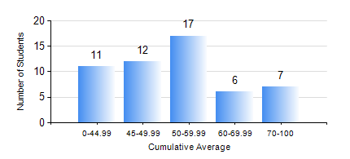
 |  |  | KWAME NKRUMAH UNIVERSITY OF SCIENCE AND TECHNOLOGY, KUMASI Department of Mechanical Engineering

 |  |  | BSC. AUTOMOBILE ENG.

 |  |  | COMPREHENSIVE RECORD OF EXAMINATION RESULTS

 |  |  | RESULTS OF YEAR 2 SECOND SEMESTER, 2024/2025 ACADEMIC YEAR

 | Sn | Course Code |  | Course Name | Credit Hours | Min. Mark | Max. Mark | Avg. Mark | Std. Dev. | No. Passed | No. Trailed | No. (Df) | No. (I) | No. (I*) | No. Tagged(I,I*,Df) | Total
 | 0. |  |  |  |  |  |  | 0 | 0 | 0 | 0 | 0 | 0 | 0 | 0 | 5
 | 1. | AME 274 |  | DESIGN OF AUTO MACHINE ELEMENTS | 3 | 11 | 90 | 48 | 20.89 | 36 | 11 | 0 | 1 | 0 | 1 | 48
 | 2. | AME 284 |  | AUTOMOTIVE ELECTRICAL SYSTEMS AND ELECTRONICS | 2 | 40 | 86 | 64 | 9.63 | 48 | 0 | 0 | 0 | 0 | 0 | 48
 | 3. | AME 296 |  | AUTOMOBILE ENGINEERING LABORATORY II | 1 | 40 | 93 | 74 | 14.1 | 47 | 0 | 1 | 0 | 0 | 1 | 48
 | 4. | MATH 252 |  | CALCULUS WITH SEVERAL VARIABLES | 4 | 14 | 93 | 55 | 17.77 | 41 | 7 | 0 | 0 | 0 | 0 | 48
 | 5. | ME 252 |  | FLUID DYNAMICS I | 2 | 17 | 98 | 45 | 19.02 | 37 | 11 | 0 | 0 | 0 | 0 | 48
 | 6. | ME 264 |  | MECHANISMS SYNTHESIS AND ANALYSIS I | 3 | 10 | 100 | 51 | 18.77 | 41 | 7 | 0 | 0 | 0 | 0 | 48
 | 7. | ME 270 |  | MANUFACTURING TECHNOLOGY | 3 | 34 | 84 | 59 | 12.1 | 47 | 1 | 0 | 0 | 0 | 0 | 48

